SOMMAIRE
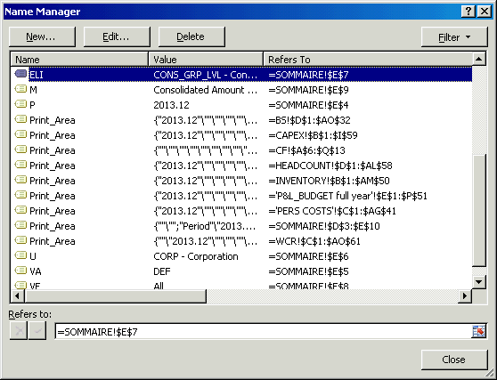
do not change period | Period | 2013.12
 | Variant | DEF
 | Unit | BU00 - Business Unit West
 | Eliminations | CONS_DIV_LVL - Consolidated at Divisional level
 | Version | All
 | Mesure | Consolidated Amount in K€

 | TIME NEEDED FOR REFRESH = 2 MINUTES

 |  |  |  | All
 |  |  | No Partner
 | In case this schedule becomes "damaged " ( there is a SAP ongoing analysis ) :
 | - copy all 12 sheets, altogether ( very important ) , in a new file
 | - go in "SOMMAIRE " sheet
 | - in menu " Formulas / Name Manager " update cells : ELI / M / P / U / VA / VE ( only ) :

 | ELI | for Eliminations
 | M | For Mesure
 | P | For Period
 | U | For Unit
 | VA | For Variant
 | VE | For Version
 | ( explanation : when copying an analytics file with a " Sommaire ", the link to definition of cell names from original file is maintained --> there is a need for update)
 | ( example below )

 | Otherwise pls ask CONSOLIDATION Department to get new version

